Test Scenarios
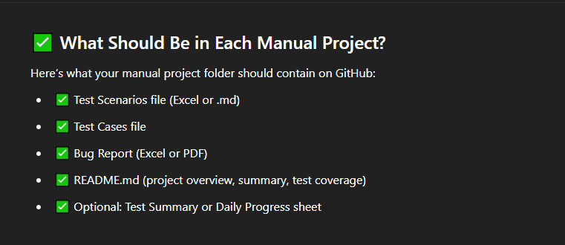
Test Scenario ID | Refrence | Test Scenario Description | Priority | Number of Test Cases
(TS_001) Register functionality | FRS | Validate the functionality of Register account functionality |  | 14
(TS_002) Login functionality | FRS | Validate the functionality of Login account functionality |  | 7
(TS_003) Currency | FRS | Validate the functionality of home page > Currency |  | 4
(TS_004) Contact Us | FRS | Validate the functionality of home page > Contact Us |  | 7
(TS_005) My Account | FRS | Validate the functionality of home page > My Account |  | 4
(TS_006) Account | FRS | Validate the functionality of home page > My Account> Account |  | 1
(TS_006.1) Edit Information | FRS | Validate the functionality of home page > My Account> Account >Edit Information. |  | 15
(TS_006.2) Change Password | FRS | Validate the functionality of home page > My Account> Account >Change Password. |  | 9
(TS_006.3) modify book entries | FRS | Validate the functionality of home page > My Account> Account >Modify address book entries. |  | 13
(TS_007) Wish List | FRS | Validate the functionality of home page > Wish List |  | 14
(TS_008) Shopping Cart | FRS | Validate the functionality of home page > Shopping Cart |  | 24
(TS_009) Summary Bar | FRS | Validate the functionality of home page > Shopping Cart summary bar |  | 13 | should be completed by 20 with 250 test cases.
(TS_010) Header Desktop | FRS | Validate the functionality of home page > Header > Desktop. |  | 24
(TS_010.1) Sub Desktop PC | FRS | Validate the functionality of home page > Header > Desktop> Sub Desktop PC. |  | 5
(TS_010.2) Sub Desktop Mac | FRS | Validate the functionality of home page > Header > Desktop> Sub Desktop Mac. |  | 2
(TS_011) Cart | FRS | Validate the functionality of the product cart across the app. |  | 27

 |  |  |  | 183
 |  |  |  | -17

